Sheet1
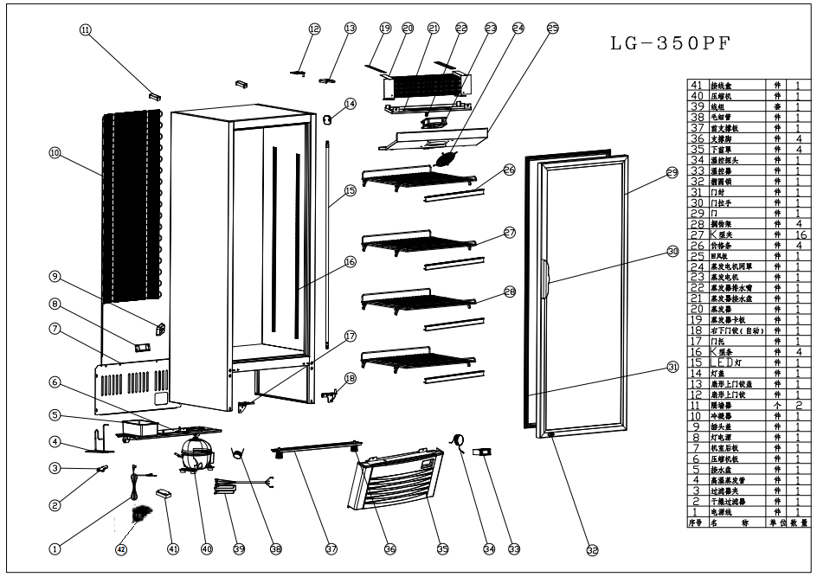
Part NO. | Description
1 | POWER CORD
2 | FILTER
3 | FILTER CLIP
4 | HEATER
5 | WATER TRAY
6 | COMPRESSOR ASSEMBLY
7 | COMPRESSOR ROOM BACK COVER
8 | LED POWER
9 | POWER CORD SOCKET
10 | CONDENSER
11 | WALL STOPPER
12 | UPPER HINGE
13 | UPPER HINGE COVER
14 | LED POWER SOCKET
15 | LED LIGHT
16 | PILASTER
17 | GLASS DOOR SUPPORT
18 | RIGHT DOWN HINGE
19 | EVAPORATOR ASSEMBLY
20 | EVAPORATOR
21 | EVAPORATOR WATER TRAY
22 | DRAIN HOLE
23 | EVAPORATOR FAN
24 | EVAPORATOR FAN COVER
25 | EVAPORATOR COVER
26 | PRICE TAG
27 | K CLIP
28 | SHELF
29 | GLASS DOOR
30 | DOOR HANDLE
31 | GASKET
32 | LOCK & KEY
33 | DIGITAL CONTROLLER
34 | TEMPERATURE PROBE
35 | COMPRESSOR ROOM FRONT COVER
36 | FRONT FEET
37 | FRONT FEET ASSEMBLY
38 | CAPILLARY
39 | WIRE SET
40 | COMPRESSOR
41 | CONNECTION BOX
42 | BACK CASTOR

