Sheet1
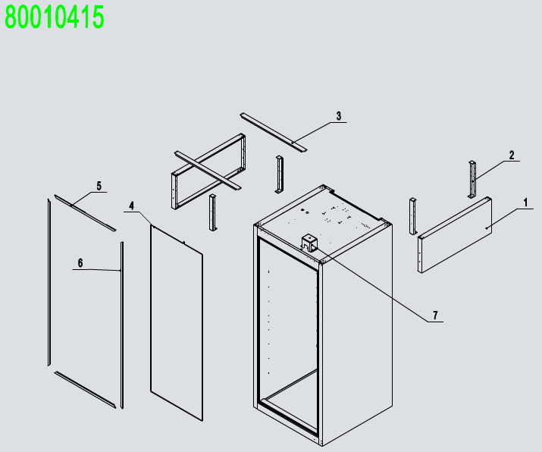
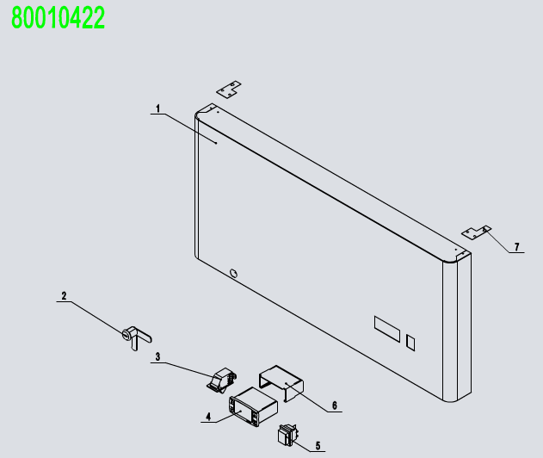
No. | Description | Code | Material | QTY
1 | Soilid Door Assembly | 80010411 |  | 1
2 | Top Panel Assembly | 80010422 |  | 1
3 | Evaporator Assembly | 80010412 |  | 1
4 | Comp&Cond Assembly | 80010413 |  | 1
5 | Cabinet Assembly | 80010415 |  | 1
6 | 4" Castor With Brake | B0604421 |  | 2
7 | 4" Castor Without Brake | B0604413 |  | 2
8 | Pilastor For Shelf | 80037402-201M | SUS201 | 4
9 | shelf right chute | 80037408-201M | SUS201 | 3
10 | Shelf | W0402369 |  | 3
11 | shelf left chute | 80037407-201M | SUS201 | 3
12 | Bottom Shelf | W0402366 |  | 1
13 | Back wind deflector | 80011042 | SUS430/SUS304 | 1
14 | Back wind deflector stents | 80011041 | SUS430/SUS304 | 1
15 | LED Power | W0399115 | 15W | 1
16 | top of wire cage | W0402664 |  | 1
17 | Back of wire cage | W0402616-1 |  | 1
 |  | W0402616-2
18 | A drain protection | W0409081 | ABS | 1
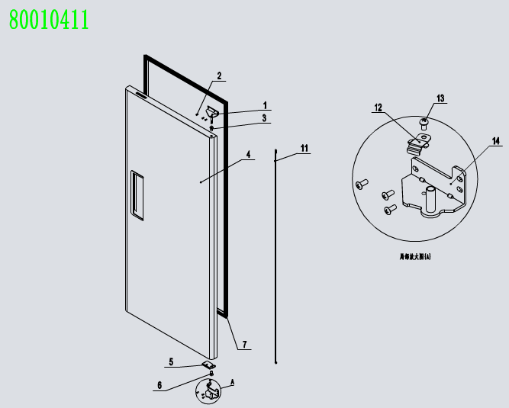
前罩组件 80010422
1 | Front Top Panel | 81131403 | SUS430/SUS201/SUS304 | 1
2 | Lock | W0604007 |  | 1
3 | Door Switch | W0308012 |  | 1
4 | Digital Controller | W0302159 | 220V | 1
5 | Power Switch | W0308019 |  | 1
6 | Controller Cover | W0302303 |  | 1
7 | Fastener For Top Panel | 80021404 | SUS430 | 2
门体组件 80010411
1 | Right-Top Hinge | W0604033 | SUS304 | 1
2 | SS Screw M5x12 | B0502207 |  | 6
3 | Door Shaft Sleeve-Top | W0409842 | PA66 | 1
4 | Right Door | 81130201 |  | 1
5 | Door Brake -Right | W0604030 | SUS304 | 1
6 | Door Shaft Sleeve-Bottom | W0409843 | PA66 | 1
7 | Door Gasket | W0404514 |  | 1
11 | Door Spring Bar | W0604921 |  | 1
12 | Door Brake-Bottom | W0604038 | SUS304 | 1
13 | SS Screw M6x8 | B0599270 |  | 1
14 | Right-Bottom Hinge | W0604037 | SUS304 | 1
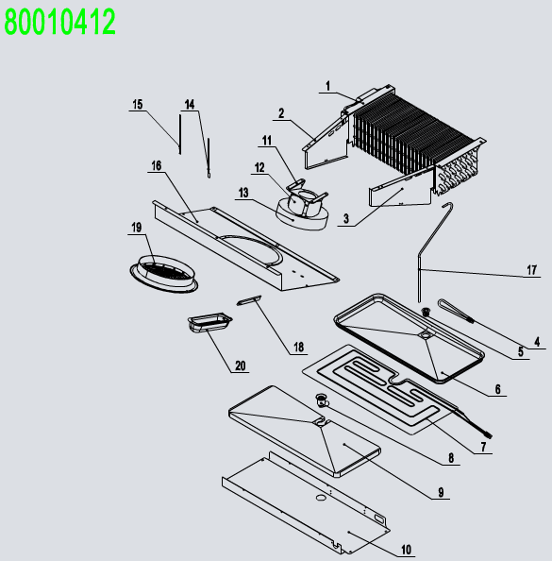
蒸发机组 80010412
1 | Evaperator | W0202134 | AL TP2-M | 1
2 | Evap Left Cover | 80021203 | SUS430 | 1
3 | Evap Right Cover | 80021204 | SUS430 | 1
4 | Drain Hose Heater | W0310067 |  | 1
5 | Drain Hose Connector B | W0409859 | PA66 | 1
6 | Drain Pan | 80012001 | AL | 1
7 | Drain Pan Heater | W0310080 |  | 1
8 | Drain Hose Connector A | W0409858 | PA66 | 1
9 | Drain Pan Foam | W0803011 | EPS | 1
10 | Drain Pan Cover | 81131203 | SUS430/SUS304 | 1
11 | Evap Fan Braket | 80021501 | SUS304 | 1
12 | Eavp Fan Motor | W0301913 |  | 1
13 | Evap Fan Blade | W0301078 | φ172 | 1
14 | Room Temp Probe | W0302316 |  | 1
15 | Evap Temp Probe | W0302317 |  | 1
16 | Evap Front Cover | 81131204 | SUS430/SUS304 | 1
17 | Defrost pipe | W0210284 | TP2-M | 1
18 | Lamp | W0304511 |  | 1
19 | Evap Fan Motor Cover | W0409080 | ABS | 1
20 | Lamp Cover | W0409863 | PC1302 | 1
冷凝机组 80010413
1 | Back High Presure Coil Pan | W0409071 | PP | 1
2 | Air pressure balance device | W0409078 | ABS | 1
3 | Rubber Fixing Block | W0413062 | RUBBER(橡胶) | 2
4 | The brass case | W04102051 | PVC-H | 2
5 | High Presure Coil | W0210413 | TP2-M | 1
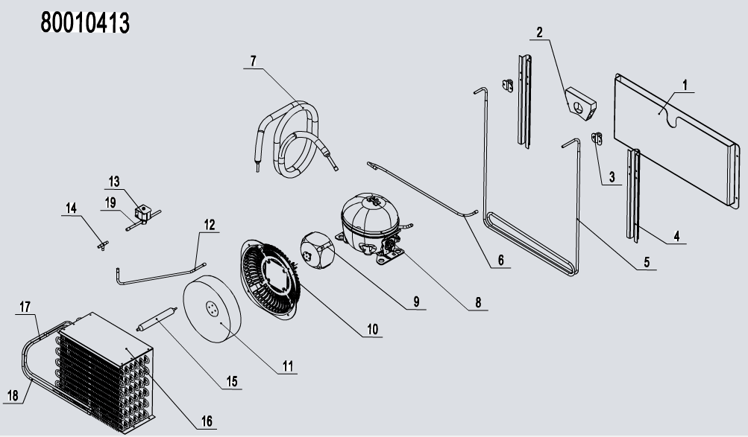
6 | Connecting Coil From Compressor | W0210452 | TP2-M | 1
7 | Low Presure Coil Back to Comp | W0210414 | TP2-M | 1
8 | Compressor | W0201133 |  | 1
9 | Condenser Fan | W0301911 |  | 1
10 | Condenser Fan Braket | W0409079 | ABS | 1
11 | Condenser Fan Blade | W0301060 | AL/φ200 | 1
12 | Connecting Coil to tee | W0210282 | TP2-M | 1
13 | Solenoid valve | W0205027 | 三花电磁阀 阀体:FDF6A | 1
14 | T' Three way connecting pipe | W0208009 | TP2-M | 1
15 | Dry Filter | W0204101 | TP2-M | 1
16 | Condenser | W0203052 | GI | 1
17 | Connecting Coil to PIPE | W0210412 | TP2-M | 1
18 | PIPE to Connecting Coil | W0210411 | TP2-M | 1
箱体组件 80010415
1 | Top Side Panel | 80010935 | SUS430/SUS201/SUS304 | 2
2 | Side Panel Frame | 80011810 | GI | 4
3 | Top Long Fixing Rack | 80011811 | GI | 2
4 | Cabinet Heater PIPE | W0210261 | GI | 1
5 | Top Frame Cover | W04102044 | PVC-H | 2
6 | Left-Right Frame Cover | W04102045 | PVC-H | 2
7 | Plastic Cover | W0409865 |  | 1

