Sheet1
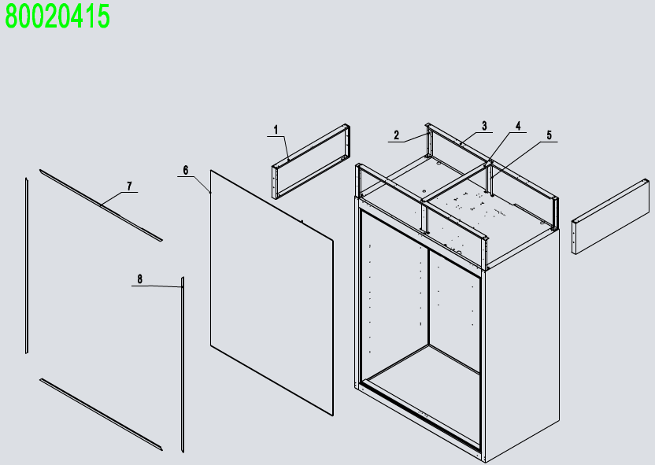
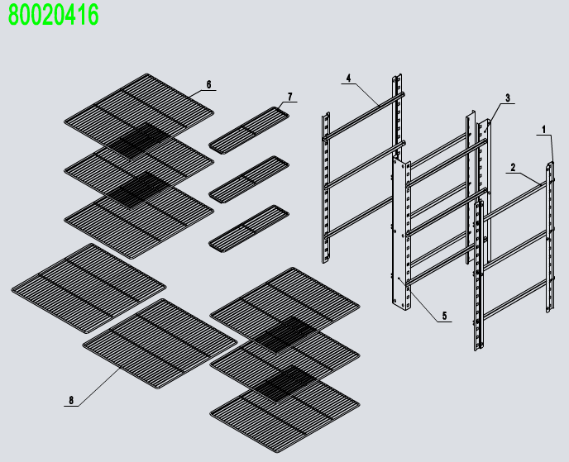
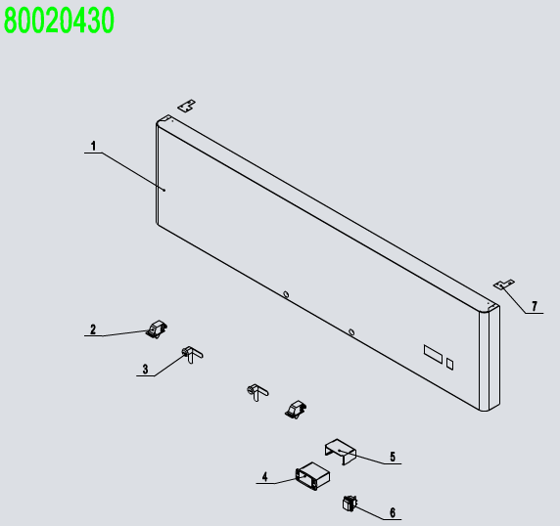
No. | Chinese Description | Description | Code | Material | QTY
1 | 前罩组件 | Top Panel Assembly | 80020430 |  | 1
2 | 门体组件 | Soilid Door Assembly | 80020411 |  | 1
3 | 中梁组件 | Mullion Assembly | 80020412 |  | 1
4 | 蒸发机组 | Evaporator Assembly | 80020413 |  | 1
5 | 冷凝机组 | Comp&Cond Assembly | 80020414 |  | 1
6 | 箱体组件 | Cabinet Assembly | 80020415 |  | 1
8 | 4寸带刹车重磅万向轮[刹定向] | 4" Castor With Brake | B0604421 |  | 2
9 | 4吋重磅万向轮（脚轮） | 4" Castor Without Brake | B0604413 |  | 2
10 | 食品架组件 | Shelf Assembly | 80020416 |  | 1
11 | 后背导风板 | Back wind deflector | 80011042 | SUS430/SUS304 | 2
12 | 后背导风板支架 | Back wind deflector stents | 80011041 | SUS430/SUS304 | 2
13 | 排水管保护件 | A drain protection | W0409081 | ABS | 1
14 | LED灯电源 | LED Power | W0399115 | 15W | 1
15 | 箱体顶部保护网 | At the top of the net | W0402619 |  | 1
16 | 箱体后背保护网 | The back of the net | W0402618 |  | 1
前罩组件 80020430
1 | 前罩板 | Front Top Panel | 81141403 | SUS430 | 1
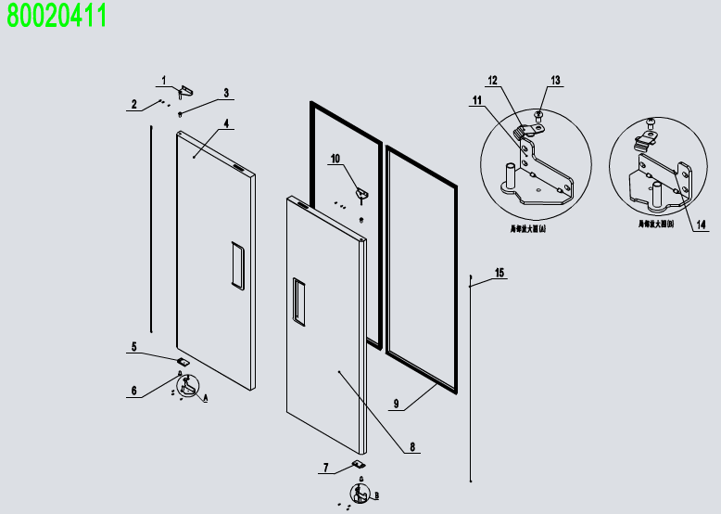
2 | 右门体开关(单刀双掷) | Door Switch | W0308012 |  | 2
3 | 冰箱锁 | Lock | W0604007 |  | 2
4 | 冷冻温控器（蓝色） | Digital Controller | W0302159 | 220V | 1
5 | 防水后盖 | Controller Cover | W0302303 |  | 1
6 | 电源开关 | Power Switch | W0308001 |  | 1
7 | 上罩板加固件 | Fastener For Top Panel | 80021404 | SUS430 | 2
门体组件 80020411
1 | 左上铰链 | Left-Top Hinge | W0604032 | SUS304 | 1
2 | M5x12不锈钢螺丝 | SS Screw M5x12 | B0502207 |  | 12
3 | 门体轴套 | Door Shaft Sleeve-Top | W0409842 | PA66 | 2
4 | 左门体 | Left Door | 81140202 |  | 1
5 | 门自锁装置-左 | Door Brake -Right | W0604031 | SUS304 | 1
6 | 门体轴套 | Door Shaft Sleeve-Bottom | W0409843 | PA66 | 2
7 | 门自锁装置-右 | Door Brake -Left | W0604030 | SUS304 | 1
8 | 右门体 | Right Door | 81140201 |  | 1
9 | 门封条 | Door Gasket | W0404515 |  | 2
10 | 右上铰链 | Right-Top Hinge | W0604033 | SUS304 | 1
11 | 左下铰链 | Left-Bottom Hinge | W0604036 | SUS304 | 1
12 | 门自锁装置-下 | Door Brake-Bottom | W0604038 | SUS304 | 2
13 | M6x8不锈钢螺丝 | SS Screw M6x8 | B0599270 |  | 2
14 | 右下铰链 | Right-Bottom Hinge | W0604037 | SUS304 | 1
15 | 门体发条 | Door Spring Bar | W0604921 |  | 2
中梁组件 80020412
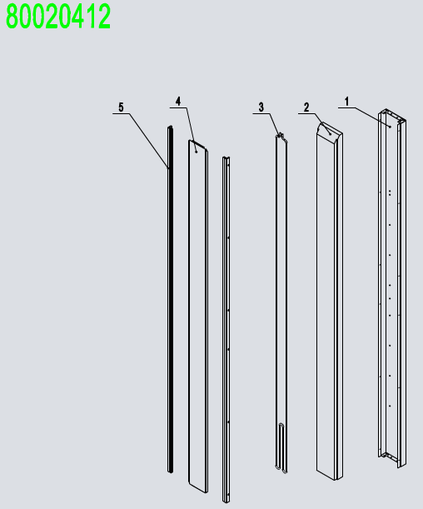
1 | 中梁后盖板 | Mullion Back Cover | 80031110 | SUS430 | 1
2 | 竖中梁泡沫 | Mullion Foam | W0499088 | EPS | 1
3 | 中梁除露管 | Mullion Heater Pipe | W0210287 |  | 1
4 | 竖中梁接口 | Mullion Plastic Connecter | W04101990 | PVC-H | 2
5 | 中梁前盖板 | Mullion Front Cover | 80021102 | SUS430 | 1
蒸发组件 80020413
1 | 蒸发器 | Evaperator | W0202135 | AL TP2-M | 1
2 | 蒸发左挡板 | Evap Left Cover | 80021206-304M | SUS430 | 1
3 | 蒸发空气左挡板 | Left Air Lane Cover | 80021203 | SUS430 | 1
4 | 蒸发空气中挡板 | Middle Air Lane Cover | 80021205 | SUS430 | 1
5 | 蒸发空气右挡板 | Right Air Lane Cover | 80021204 | SUS430 | 1
6 | 蒸发右挡板 | Evap Right Cover | 80021207-304M | SUS430 | 1
7 | 排水管加热带 | Drain Hose Heater | W0310068 |  | 1
8 | 排水管连接器B | Drain Hose Connector B | W0409859 | PA66 | 1
9 | 铝制接水盘 | Drain Pan | 80022003 | AL | 1
10 | 接水盘加热带 | Drain Pan Heater | W0310078 |  | 1
11 | 排水管连接器A | Drain Hose Connector A | W0409858 | PA66 | 1
12 | 接水盘泡沫 | Drain Pan Foam | W0803012 | EPS | 1
13 | 蒸发后盖板 | Drain Pan Cover | 81141201 | SUS430 | 1
14 | 感温探头 | Room Temp Probe | W0302316 |  | 1
15 | 化霜探头 | Evap Temp Probe | W0302317 |  | 1
16 | 蒸发风机支架 | Evap Fan Braket | 80021501 | SUS304 | 2
17 | 蒸发风机 | Eavp Fan Motor | W0301913 |  | 1
18 | 蒸发风叶 | Evap Fan Blade | W0301078 | Ф172 | 1
19 | 蒸发前盖板 | Evap Front Cover | 81141202 | SUS430 | 1
20 | 蒸发风机罩 | Evap Fan Motor Cover | W0409864 | ABS | 2
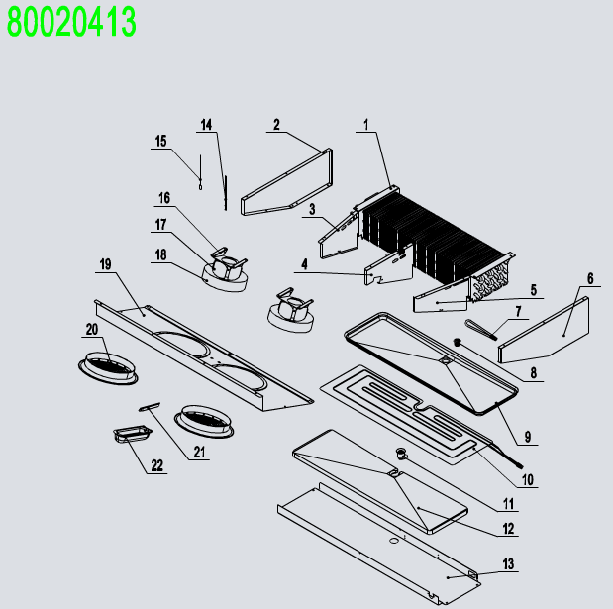
21 | LED灯 | Lamp | W0304086 |  | 1
22 | 灯罩 | Lamp Cover | W0409863 | PC1302 | 1
冷凝机组 80020414
1 | 铜管保护套 | The brass case | W04102051 | PVC-H | 2
2 | 后背蒸发包水封 | Air pressure balance device | W0409078 | ABS | 1
3 | 后背蒸发包 | Back High Presure Coil Pan | W0409071 | PP | 1
4 | 散热管固定垫 | Rubber Fixing Block | W0413062 | RUBBER(橡胶) | 2
5 | 散热管 | High Presure Coil | W0210413 | TP2-M | 1
6 | 压缩机 | Compressor | W0201150 |  | 1
7 | 回气管(A) | Low Presure Coil Back to Comp | W0210457 | TP2-M | 1
8 | 冷凝风机 | Condenser Fan | W0301916 | 10/36W | 1
9 | 冷凝风机支架 | Condenser Fan Braket | 80061601 | ABS | 1
10 | 电磁阀阀体 | Solenoid valve | W0205026 | 三花电磁阀体：FDF6A | 1
11 | 冷凝风叶 | Condenser Fan Blade | W0301061 | φ230/V-28°/吸风 | 1
12 | T型三通 | T' Three way connecting pipe | W0208009 | TP2-M | 1
13 | 干燥过滤器 | Dry Filter | W0204101 | TP2-M | 1
14 | 冷凝器 | Condenser | W0203070 | GI TP2-M | 1
15 | 冷凝器防尘罩 | Condenser Dust Barrier | W0499224 |  | 1
箱体组件 80020415
1 | 箱体上侧板 | Top Side Panel | 80010935 | SUS430/SUS201/SUS304 | 2
2 | 箱体支撑架 | Side Panel Frame | 80011810 | GI | 4
3 | 箱体横向固定架 | Top Long Fixing Rack | 80021826 | GI | 2
4 | 箱体竖向固定架 | Top Short Fixing Rack | 80021827 | GI | 1
5 | 箱体中支撑架 | Top Fixing Rack | 80021825 | GI | 2
6 | 箱体除露管 | Cabinet Heater Pipe | W0210247 | TP2-M Ф5 | 1
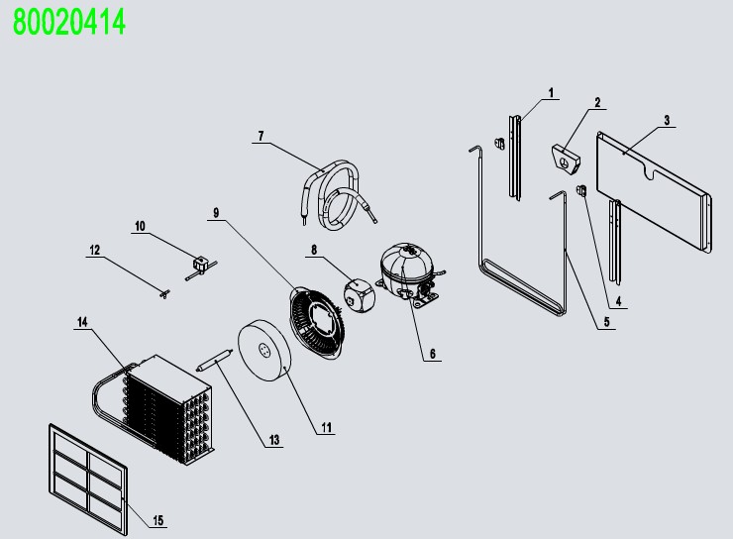
7 | 箱体上下接口盖 | Top Frame Cover | W04102056 | PVC-H | 2
8 | 箱体左右接口盖 | Left-Right Frame Cover | W04102045 | PVC-H | 2
食品架组件 80020416
1 | 食品架隔条 | Pilastor For Shelf | 80037403 |  | 4
2 | 隔条(滑槽)右 | shelf right chute | 80037408-201M |  | 6
3 | 后中竖隔条 | Pilastor For Shelf(B)(M) | 81147421-201M |  | 2
4 | 隔条(滑槽)左 | shelf left chute | 80037407-201M |  | 6
5 | 前中竖隔条 | Pilastor For Shelf(F)(M) | 81147420-201M |  | 1
6 | 食品架 | Shelf | W0402369 |  | 6
7 | 小食品架 | Shelf(S) | W0402353 |  | 3
8 | 底层食品架 | Shelf(B) | W0402370 |  | 2

