R400,R400SS
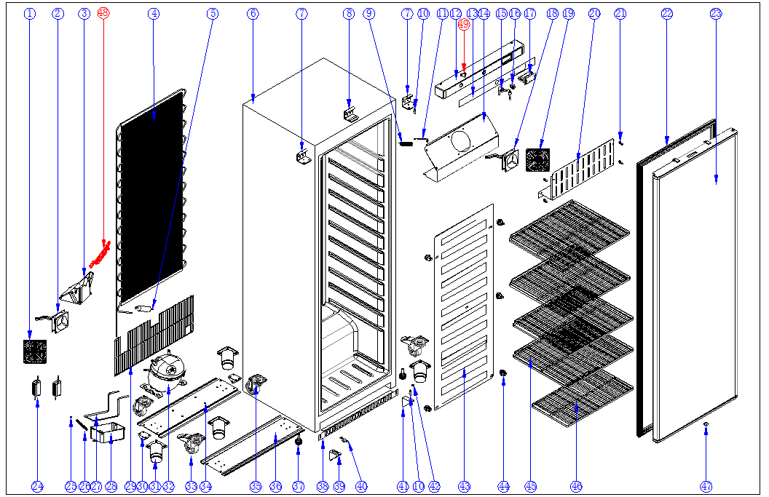
备件清单 Spare part list
序号 | 物料名称 |  | 专用号
NO. | Part Name-Chinese | Part Name-English | CODE
1 | 风机网罩 | Net cover for condenser fan | DL23502534
2 | 冷凝风机 | Condenser fan | DL11802730
3 | 冷凝风机罩 | Cover/bracket for condenser fan | DL60002492
4 | 冷凝器 | Condenser | DL32001256
5 | 干燥过滤器 | Dry filter | DL00004008
7 | 上铰链 | Upper hinge | DL60004874
8 | 锁挡板 | Lock baffle | DL60004872
9 | 探头固定盒 | Probe fixing cover | DL04006195
10 | 铰链轴 | Hinge axis/pivot | DL02201204
11 | 传感线/探头/热敏电阻 | Senser/Probe/Thermistor | DL27601275
12 | 控制面板 | Front panel | DL40002323
13 | 面板标贴 | Logo sticker for front panel | DL14504742
14 | 蒸发风机挡板 | Evaporator fan baffle | DL40002444
15 | 锁(含钥匙) | Lock with 2 keys | DL60002381
16 | 扇形开关 | Door switch | DL00017159
17 | 温控器总成DT-02 | Thermostat DT-02 | DL40002472
18 | 蒸发风机DFM1225B | Evaporator fan DFM1225B | DL11802730
19 | 蒸发风机网罩 | Evaporator fan net cover | DL23502171
20 | 蒸发风机前挡板 | Front baffle for evaporator fan | DL40002445
21 | M5圆头螺丝堵盖 | Cover for M5 round head screw | DL27601300
22 | 门封条 | Door gasket | DL40002505
23 | 白色发泡门体总成 | Foam door-PCM | DL40002482
 | 不锈钢发泡门体总成 | Foam door-SS | DL40002484
24 | 开关电源 | Switching power supply | DL11802748
25 | 喉箍 | Hose clamp | DL00001139
26 | 出水管（白色） | Water/outlet pipe(white) | DL00009516
27 | 蒸发水连接管 | Evaporating water connecting pipe | DL40002457
28 | 接水盒 | Water tray | DL18801673
29 | 机械室防护网 | Engine room grid | DL32001257
30 | 滚轮 | Rollers | DL14502522
31 | 不锈钢重力底脚 | 201# SS feet | DL60504282
32 | 压缩机 | Compressor | DL00017441
33 | 脚轮(带刹车) | Big castor(with brake) | DL22801451
34 | 压机底板 | Bottom plate of compressor | DL40002226
35 | 脚轮(不带刹车) | Big castor(without brake) | DL22801450
36 | 底杠 | Bottom plate | DL40002227
37 | 底脚总成 | Feet | DL14502598
38 | 下面板 | Bottom panel | DL40002479
 | 下面板 | Bottom panel | DL40002430
39 | 左下铰链 | Left down hinge | DL60001133
40 | 滑轮 | Roller for door | DL00010032
41 | 右下铰链 | Right down hinge | DL60001199
42 | 下铰链垫片 | Washer for Down hinge | DL03001602
43 | 蒸发器 | Evaporator | DL40002446
44 | 蒸发器固定扣 | Evaporator fastener | DL60001012
45 | 上搁物架 | Upper shelf | DL14504740
46 | 底搁物架 | Bottom shelf | DL40002342
47 | 门体发泡孔堵盖 | Foaming hole cover for door | DL00009097
48 | 冷凝风机塞网 | Air guide net for condenser fan | DL60004867
49 | 电源开关 | Main switch | DL00013687

