Sheet1
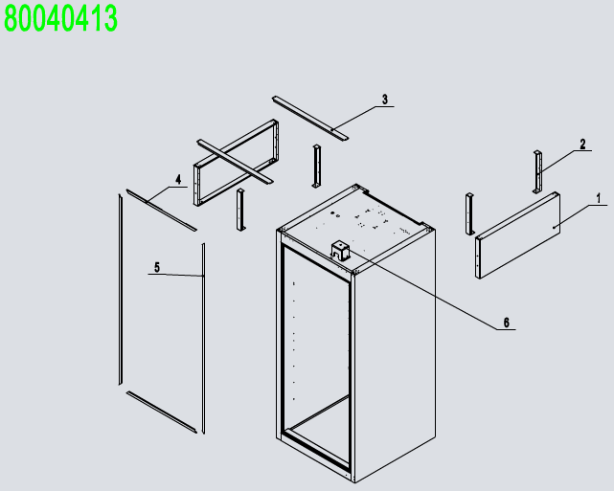
No. | Description | Code
1 | Top Panel Assembly | 80040421
2 | Soilid Door Assembly | 80010411
3 | Evaporator Assembly | 80040411
4 | Comp&Cond Assembly | 80040412
5 | Cabinet Assembly | 80010413
6 | 4" Castor With Brake | B0604421
7 | 4" Castor Without Brake | B0604413
8 | Pilastor For Shelf | 80037402-201M
9 | shelf right chute | 80037408-201M
10 | Shelf | W0402369
11 | shelf left chute | 80037407-201M
12 | Bottom Shelf | W0402366
13 | Back wind deflector | 80011042
14 | Back wind deflector stents | 80011041
15 | LED Power | W0399115
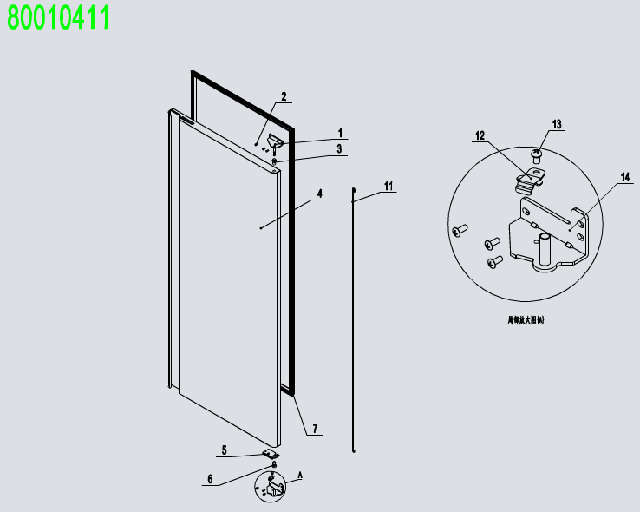
16 | top of wire cage | W0402664
17 | Back of wire cage | W0402616-1
 |  | W0402616-2
18 | A drain protection | W0409081
前罩组件 80040421
1 | Front Top Panel | 81131403
2 | Lock | W0604007
3 | Door Switch | W0308012
4 | Digital Controller | W0302160
5 | Controller Cover | W0302303
6 | Power Switch | W0308019
7 | Fastener For Top Panel | 80021404
门体组件 80010411
1 | Right-Top Hinge | W0604033
2 | SS Screw M5x12 | B0502207
3 | Door Shaft Sleeve-Top | W0409842
4 | Right Door | 81130201
5 | Door Brake -Right | W0604030
6 | Door Shaft Sleeve-Bottom | W0409843
7 | Door Gasket | W0404514
11 | Door Spring Bar | W0604921
12 | Door Brake-Bottom | W0604038
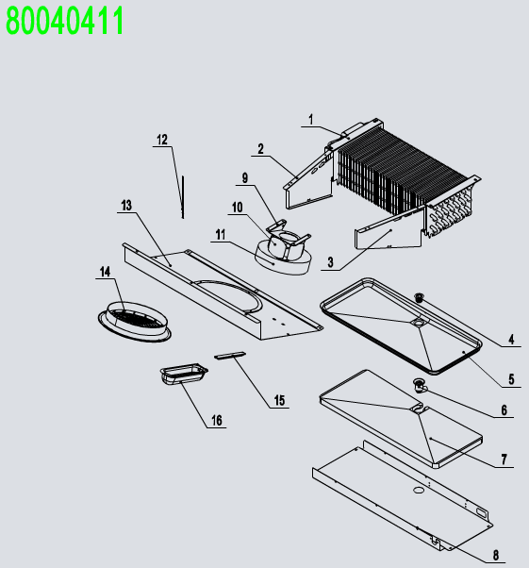
13 | SS Screw M6x8 | B0599270
14 | Right-Bottom Hinge | W0604037
蒸发机组 80040411
1 | Evaperator | W0202117
2 | Evap Left Cover | 80021203
3 | Evap Right Cover | 80021204
4 | Drain Hose Connector B | W0409859
5 | Drain Pan | 80012001
6 | Drain Hose Connector A | W0409858
7 | Drain Pan Foam | W0803011
8 | Drain Pan Cover | 81131203
9 | Evap Fan Braket | 80021501
10 | Eavp Fan Motor | W0301913
11 | Evap Fan Blade | W0301078
12 | Room Temp Probe | W0302316
13 | Evap Front Cover | 81131204
14 | Evap Fan Motor Cover | W0409080
15 | Lamp | W0304086
16 | Lamp Cover | W0409863
冷凝机组 80040412
1 | Back High Presure Coil Pan | W0409071
2 | Air pressure balance device | W0409078
3 | Rubber Fixing Block | W0413062
4 | The brass case | W04102051
5 | High Presure Coil | W0210413
6 | Connecting Coil From Compressor | W0210416
7 | Connecting Coil to Condenser | W0210417
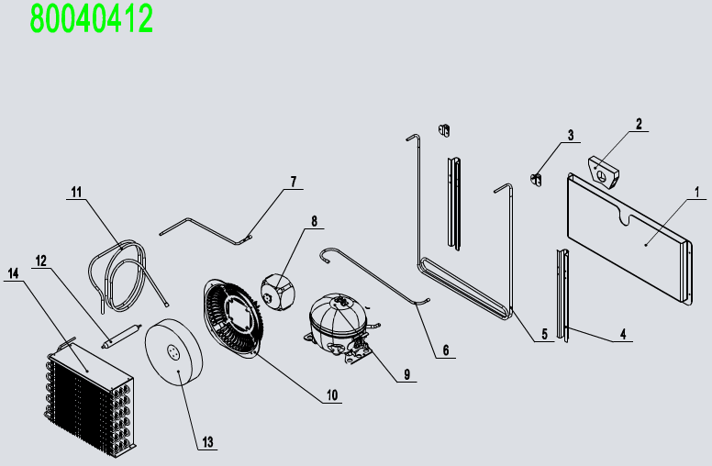
8 | Condenser Fan | W0301911
9 | Compressor | W0201151
10 | Condenser Fan Braket | W0409079
11 | Low Presure Coil Back to Comp | W0210418
12 | Dry Filter | W0204101
13 | Condenser Fan Blade | W0301060
14 | Condenser | W0203051
箱体组件 80010413
1 | Top Side Panel | 80010935
2 | Side Panel Frame | 80011810
3 | Top Long Fixing Rack | 80011811
4 | Top Frame Cover | W04102044
5 | Left-Right Frame Cover | W04102045
6 | Plastic Cover | W0409865

