Sheet1
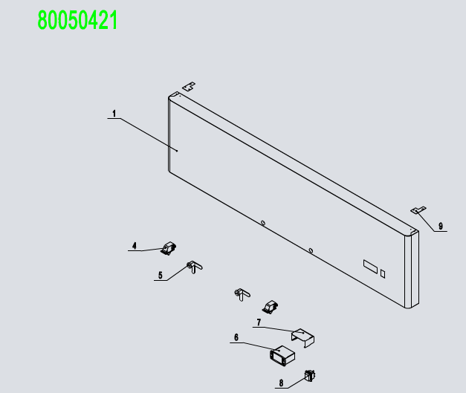
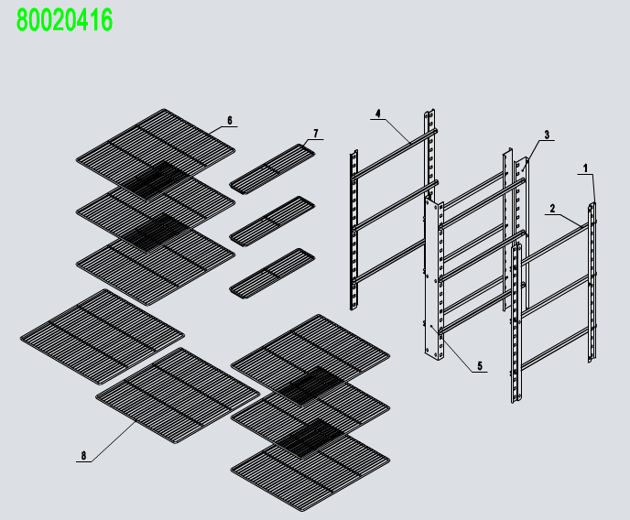
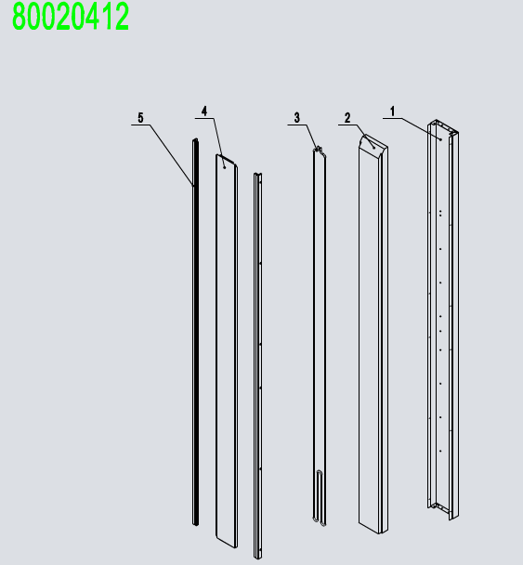
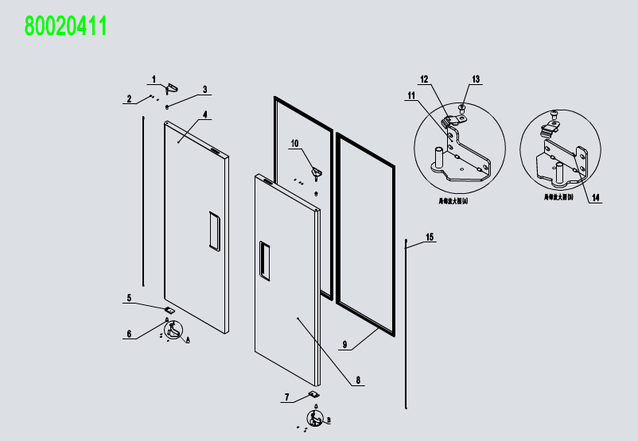
No. | Description | Code
1 | Top Panel Assembly | 80050421
2 | Soilid Door Assembly | 80020411
3 | Mullion Assembly | 80020412
4 | Evaporator Assembly | 80050412
5 | Comp&Cond Assembly | 80050413
6 | Cabinet Assembly | 80050416
8 | 4" Castor With Brake | B0604421
9 | 4" Castor Without Brake | B0604413
10 | Shelf Assembly | 80020416
11 | Back wind deflector | 80011042
12 | Back wind deflector stents | 80011041
13 | A drain protection | W0409081
14 | LED Power | W0399115
15 | At the top of the net | W0402619
16 | The back of the net | W0402618
门体组件 80020411
1 | Left-Top Hinge | W0604032
2 | SS Screw M5x12 | B0502207
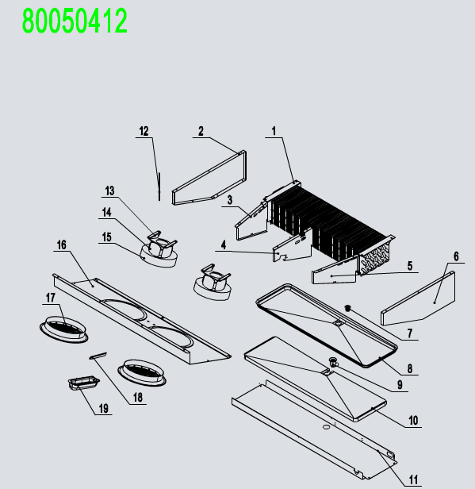
3 | Door Shaft Sleeve-Top | W0409842
4 | Left Door | 81140202
5 | Door Brake -Right | W0604031
6 | Door Shaft Sleeve-Bottom | W0409843
7 | Door Brake -Left | W0604030
8 | Right Door | 81140201
9 | Door Gasket | W0404515
10 | Right-Top Hinge | W0604033
11 | Left-Bottom Hinge | W0604036
12 | Door Brake-Bottom | W0604038
13 | SS Screw M6x8 | B0599270
14 | Right-Bottom Hinge | W0604037
15 | Door Spring Bar | W0604921
中梁组件 80020412
1 | Mullion Back Cover | 80031110
2 | Mullion Foam | W0499088
3 | Mullion Heater Pipe | W0210287
4 | Mullion Plastic Connecter | W04101990
5 | Mullion Front Cover | 80021102
食品架组件 80020416
1 | Pilastor For Shelf | 80037403
2 | shelf right chute | 80037408
3 | Pilastor For Shelf(B)(M) | 81147421
4 | shelf left chute | 80037407
5 | Pilastor For Shelf(F)(M) | 81147420
6 | Shelf | W0402369
7 | Shelf(S) | W0402353
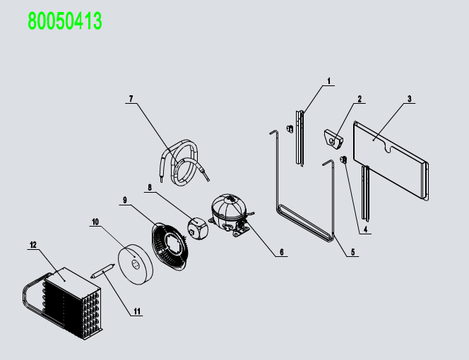
8 | Shelf(B) | W0402370
前罩组件 80050421
1 | Front Top Panel | 8114040301
4 | Door Switch | W0308012
5 | Lock | W0604007
6 | Digital Controller | W0302160
7 | Controller Cover | W0302303
8 | Power Switch | W0308001
9 | Fastener For Top Panel | 80021404
蒸发机组 80050412
1 | Evaperator | W0202118
2 | Evap Left Cover | 80021206
3 | Left Air Lane Cover | 80021203
4 | Middle Air Lane Cover | 80021205
5 | Right Air Lane Cover | 80021204
6 | Evap Right Cover | 80021206
7 | Drain Hose Connector B | W0409859
8 | Drain Pan | 80022003
9 | Drain Hose Connector A | W0409858
10 | Drain Pan Foam | W0803012
11 | Drain Pan Cover | 81141201
12 | Evap Fan Braket | W0302316
13 | Eavp Fan Motor | 80021501
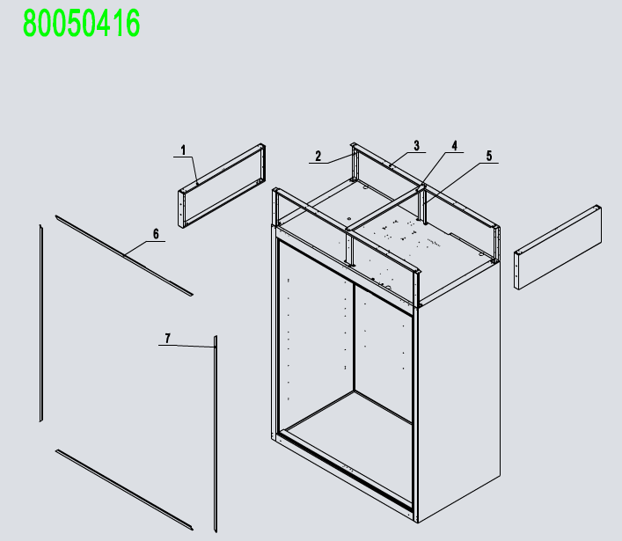
14 | Eavp Fan Motor | W0301913
15 | Evap Fan Blade | W0301078
16 | Evap Front Cover | 81141202
17 | Evap Fan Motor Cover | W0409864
18 | Lamp | W0304086
19 | Lamp Cover | W0409863
冷凝机组 80050413
1 | The brass case | W04102051
2 | Air pressure balance device | W0409078
3 | Back High Presure Coil Pan | W0409071
4 | Rubber Fixing Block | W0413062
5 | High Presure Coil | W0210413
6 | Compressor | W0201135
7 | Low Presure Coil Back to Comp | W0210457
8 | Condenser Fan | W0301916
9 | Condenser Fan Braket | 80061601
10 | Condenser Fan Blade | W0301061
11 | Dry Filter | W0204101
12 | Condenser | W0203073
箱体组件 80050416
1 | Top Side Panel | 80010935
2 | Side Panel Frame | 80011810
3 | Top Long Fixing Rack | 80021826
4 | Top Short Fixing Rack | 80021827
5 | Top Fixing Rack | 80021825
6 | Top Frame Cover | W04102056
7 | Left-Right Frame Cover | W04102045

