Sheet1
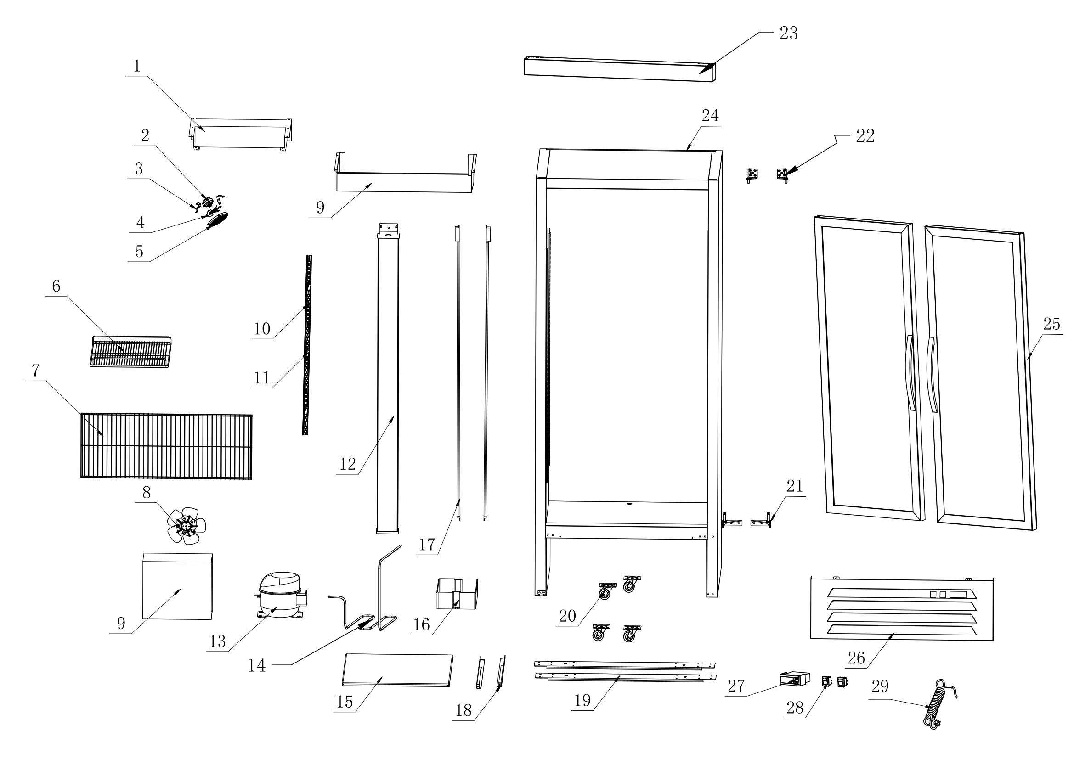 | NO. | Item code | Parts | QTY/ SET
 | 29 | A10303012500001501 | Power Cord | 1
 | 28 | A10305000035002811 | Rocker Switch | 1
 | 27 | A10300010000200000 | Digital controller | 1
 | 26 | A200111000029000 | Lower Compressor Panel | 1
 | 25 | A205001583049001 | Glass Door | 2
 | 24 |  | Foam cabinet | 1
 | 23 | A200111000005501 | Upper Decorative Strip | 1
 | 22 | A10119000045004400 | Top hinge | 2
 | 21 | A10119000045006505 | Lower Door Hinge | 2
 | 20 | A10903000025009400 | Caster | 4
 | 19 | A200120990010000 | Caster Mounting Plate | 2
 | 18 | A200120625002000 | Unit slide rail | 2
 | 17 | A10302031200002000 | LED Light | 2
 | 16 | A10200000245017000 | Drip Tray | 1
 | 15 | A200120540063700 | Compressor Mounting Plate | 1
 | 14 | A10404050607521700 | Drip Tray Heater | 1
 | 13 | A10402000380022000 | Compressor | 1
 | 12 | A200151487008700 | Upright Post Assembly | 1
 | 11 | A10117010029002401 | K-type Clip | 40
 | 10 | A200041215002000 | K-type strip | 8
 | 9 | A10400020612045000 | Condenser | 1
 | 8 | A10305080033022000 | Condenser fan unit | 1
 | 7 | A200110950029200 | Compressor Compartment Protective Net | 1
 | 6 | A10911000443053100 | Food Shelf | 10
 | 5 | A10200010208003500 | Evaporator Fan Guard | 1
 | 4 | A10117020172000000 | Aluminum Fan Blade | 1
 | 3 | A200020074002000 | Fan bracket | 4
 | 2 | A10305080029022002 | Evaporator Fan | 1
 | 1 | A10401010804060000 | Evaporator | 1

