Sheet1
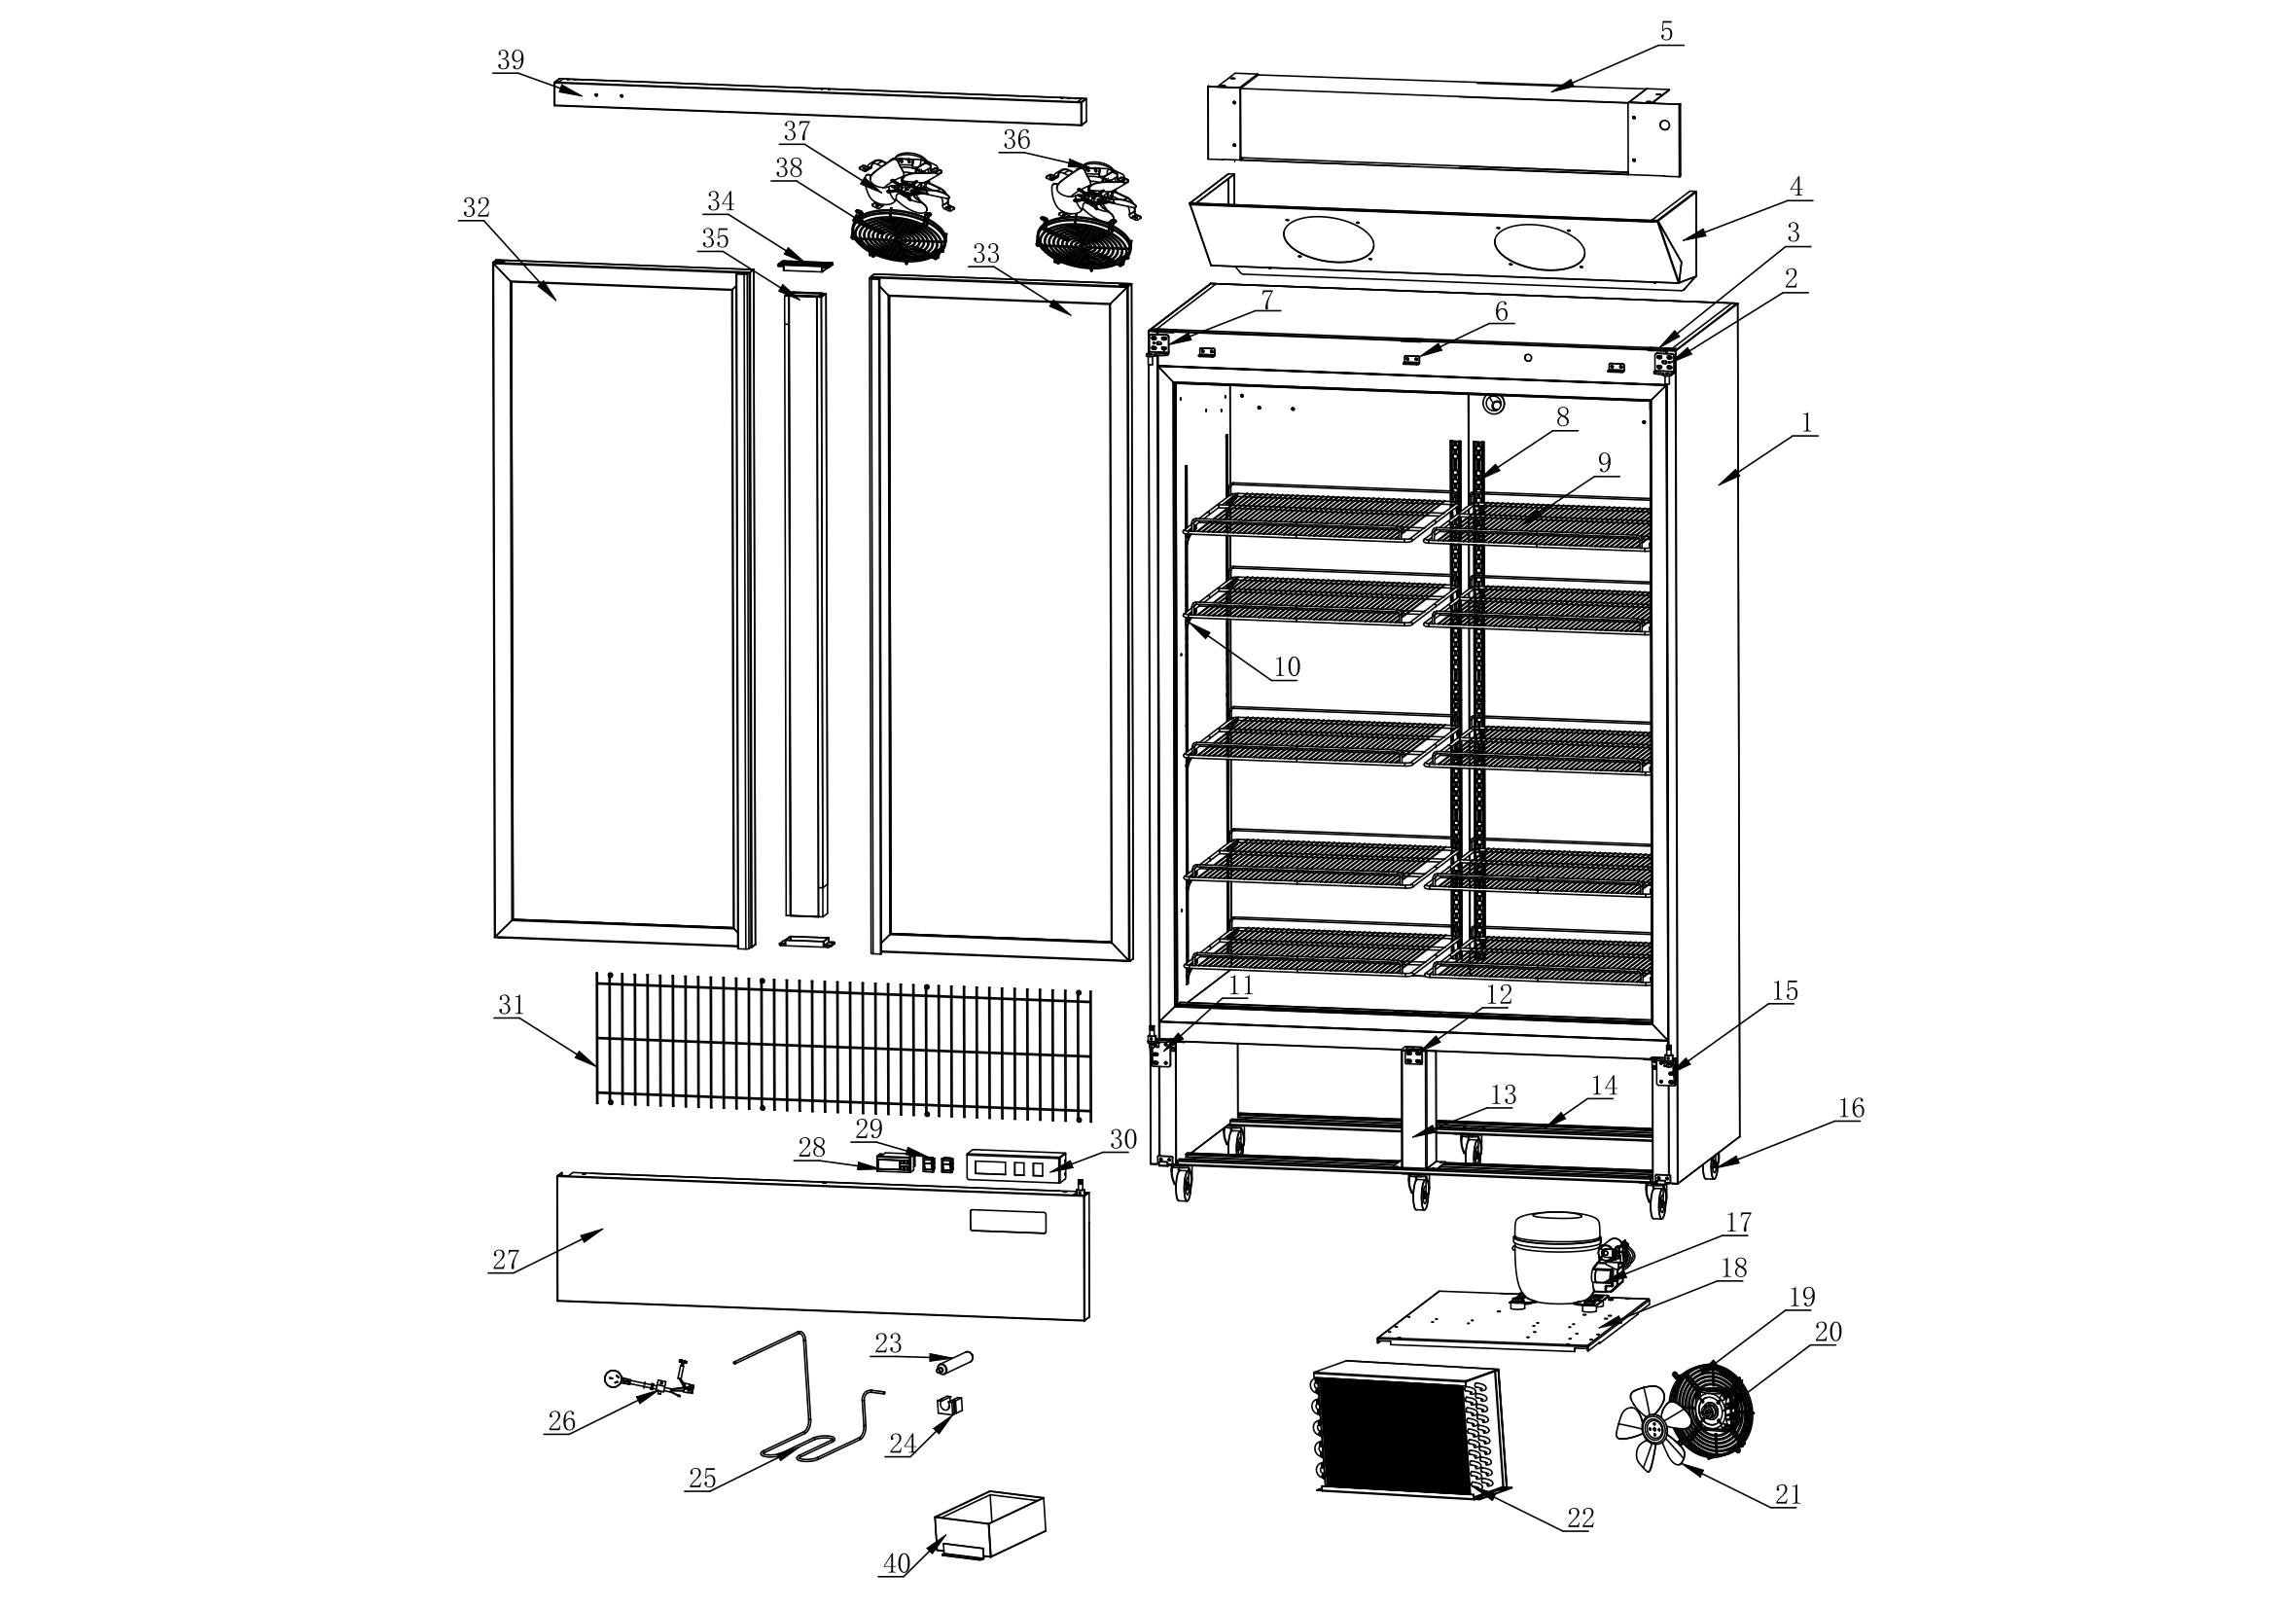 | NO. | Item code | Parts | QTY/ SET
 | 40 | A10200010250012500 | Drip Tray | 1
 | 39 | A200111250005507 | Upper Decorative Strip | 1
 | 38 | A10200010208003501 | Evaporator Fan Guard | 2
 | 37 | A200110200000001 | Aluminum Fan Blade | 1
 | 36 | A10305080029022002 | Evaporative fan | 1
 | 35 | A200111455008701 | Upright Post Assembly | 1
 | 34 | A10203010121005201 | Upright Post End Cap | 2
 | 33 | A205001583061065 | Right Glass Door | 1
 | 32 | A205001583061064 | Left Glass Door | 1
 | 31 | A10911031170030605 | Compressor Compartment Protective Net | 1
 | 30 | A200110220006001 | Water Baffle | 1
 | 29 | A10305000035002805 | Rocker Switch | 2
 | 28 | A10300010016000004 | Digital controller | 1
 | 27 | A200111250029415 | Lower Compressor Panel | 1
 | 26 | A10303012500001501 | Power Cord | 1
 | 25 | A10404052200476700 | Drip Tray Heater | 1
 | 24 | A204050030004000 | Filter Dryer Clamp | 1
 | 23 | A10404030062001201 | Filter Dryer | 1
 | 22 | A10400020614026000 | Condenser | 1
 | 21 | A10117020200000000 | Aluminum Fan Blade | 1
 | 20 | A10305080033022000 | Fan | 1
 | 19 | A10118000000023000 | Fan Guard | 1
 | 18 | A200120635050000 | Compressor Mounting Plate | 1
 | 17 | A10402000950029000 | Compressor | 1
 | 16 | A10903000025009400 | Caster | 4
 | 15 | A10119000045006505 | Right Lower Door Hinge | 1
 | 14 | A200121210010000 | Caster Mounting Plate | 2
 | 13 | A200120280010600 | Support Bar | 1
 | 12 | A200120040004000 | Door Stop | 1
 | 11 | A10119000045006506 | Left Lower Door Hinge | 1
 | 10 | A10117010029002401 | Aluminum K-type Clip | 40
 | 9 | A10911000552051700 | Food Shelf | 10
 | 8 | A200041215002000 | K-type Clip | 8
 | 7 | A10119000045004401 | Left Upper Door Hinge | 1
 | 6 | A200120035001700 | Decorative Strip Mounting Plate | 3
 | 5 | A10400000408070000 | Evaporator | 2
 | 4 | A200110890037402 | Air Duct Panel Assembly | 1
 | 3 | A10122000040003800 | Door Hinge | 3
 | 2 | A10119000045004401 | Top right hinge | 1
 | 1 |  | Foam cabinet | 1

