Sheet1
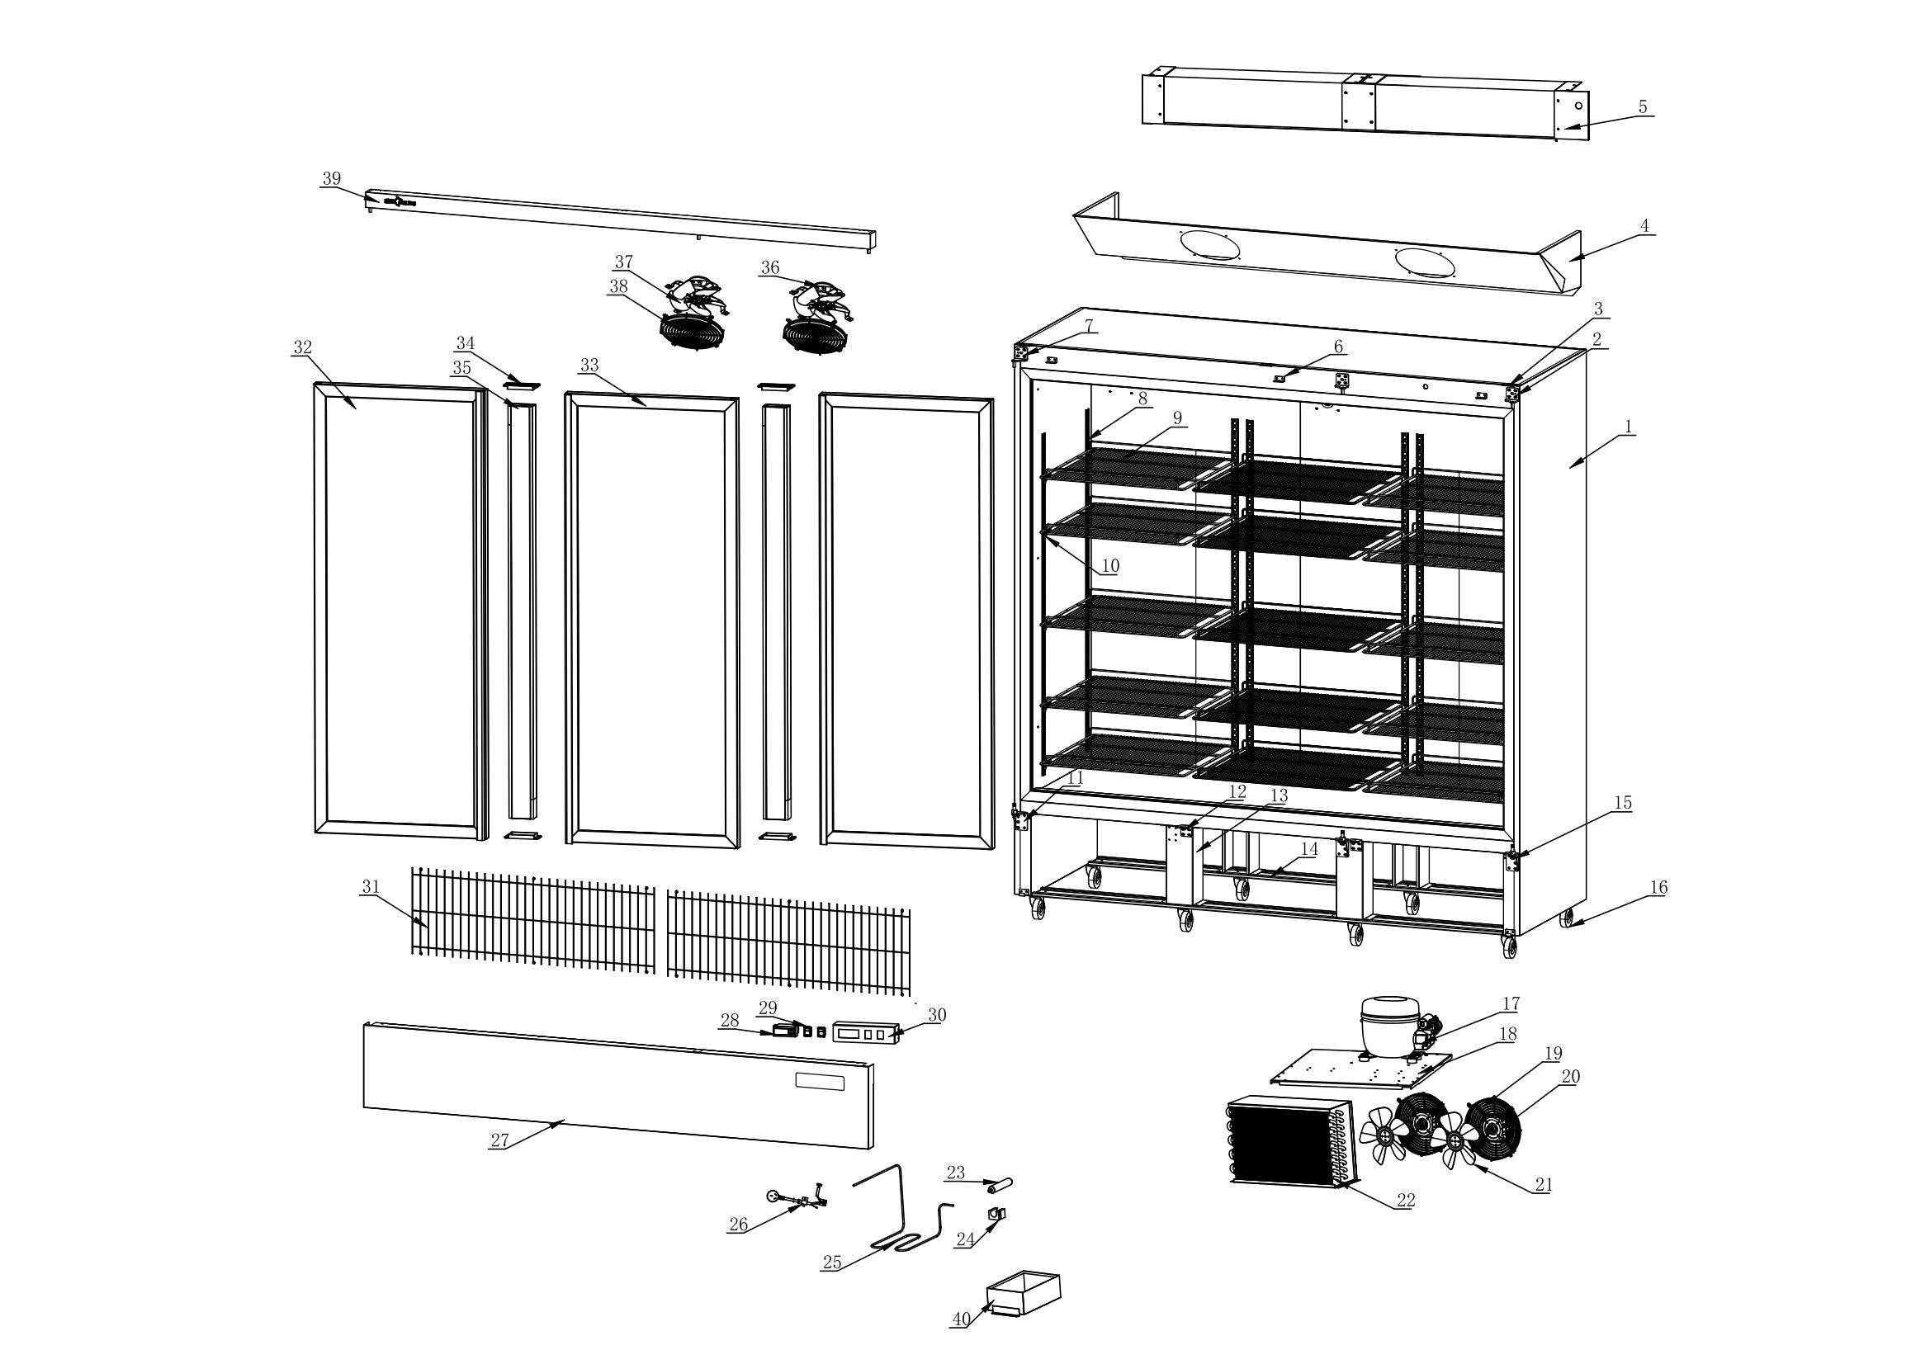
NO. | Item code | Parts | QTY / SET
40 | A10200010250012500 | Water tray | 1
39 | A200111880005505 | Upper Decorative Strip | 1
38 | A10200010208003501 | Evaporator Fan Guard | 2
37 | A200110200000001 | Aluminum Fan Blade | 2
36 | A10305080029022002 | Evaporator Fan Guard | 2
35 | A200111455008701 | Upright Post Assembly | 2
34 | A10203010121005201 | Upright Post End Cap | 4
33 | A205001583061065 | Right Glass Door | 2
32 | A205001583061064 | Left Glass Door | 1
31 | A10911030900030604 | Compressor Compartment Protective Net | 2
30 | A200110220006001 | Water Baffle | 1
29 | A10305000035002805 | Rocker Switch | 2
28 | A10300010016000004 | Digital Thermostat | 1
27 | A200111880029414 | Lower Compressor Panel | 1
26 | A10303012500001501 | Power Cord | 1
25 | A10404052200476700 | Drip Tray Heater | 1
24 | A204050030004000 | Filter Dryer Clamp | 1
23 | A10404030062003502 | Filter Dryer | 1
22 | A10400020614036000 | Condenser | 1
21 | A10117020200000000 | Aluminum Fan Blade | 1
20 | A10305080033022000 | Fan | 1
19 | A10118000000023000 | Fan Guard | 1
18 | A200120635050000 | Compressor Mounting Plate | 1
17 | A104020005500229000 | Compressor | 1
16 15 14 13 12 11 10 9 8 7 6 5 4 3 2 1 序号 | A10903000025009400 | Caster | 8
15 | A10119000045006505 | Right Lower Door Hinge | 2
14 | A200121840010000 | Caster Mounting Plate | 2
13 | A200120280010600 | Support Bar | 4
12 | A200120040004000 | Door Stop | 2
11 | A10119000045006506 | Left Lower Door Hinge | 1
10 | A10117010029002401 | Aluminum K-type Clip | 40
9 | A10911000552051700 | Food Shelf | 15
8 | A200041215002000 | K-type Strip | 12
7 | A10119000045004401 | Left Upper Door Hinge | 1
6 | A200120035001700 | Decorative Strip Mounting Plate | 3
5 | A10400000506110001 | Evaporator | 1
4 | A200111530037401 | Air Duct Panel Assembly | 1
3 | A10122000040003800 | Door Hinge | 3
2 | A10119000045004401 | Top right hinge | 2
1 |  | Foam cabinet | 1

