Sheet1
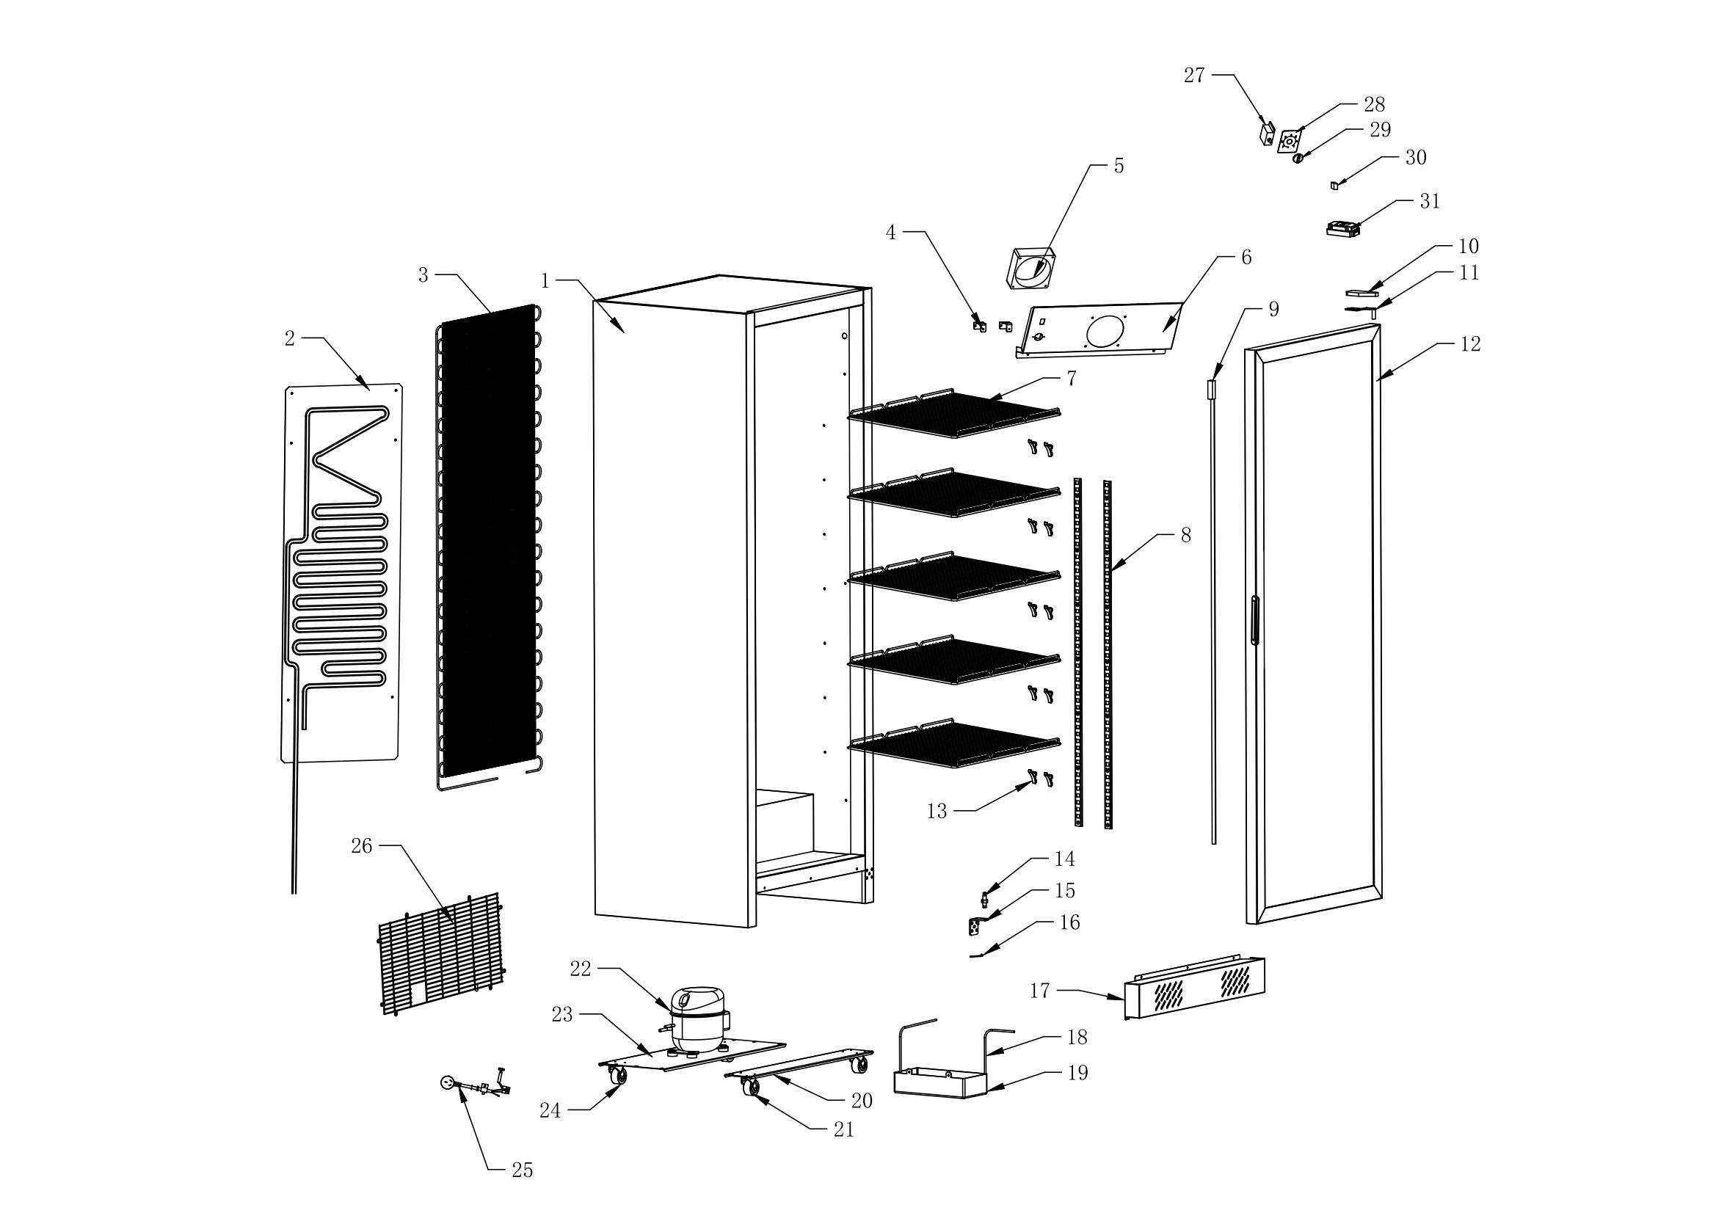
NO. | Parts name | Item code | Set quantity
31 | ON/OFF Switch | A10305090025050000 | 1
30 | Power Switch for LED | A10305000020001500 | 1
29 | Thermostat knob | A10200010040000006 | 1
28 | Sticker for controller | A10604020080006003 | 1
27 | Mechanical controller | A10300000008080000 | 1
26 | Compressor Compartment Protective Net | A10911030544030205 | 1
25 | Power cord | A10303022500000000 | 1
24 | Carster | A10903000020006500 | 2
23 | Compressor Mounting Plate | A200120585023500 | 1
22 | Compressor | A10402000220029000 | 1
21 | braked caster | A10903000020006513 | 2
20 | Caster Mounting Plate | A200120585009000 | 1
19 | Drip Tray | A10200000245017000 | 1
18 | Drip Tray Heater | A10404051335047600 | 1
17 | Lower Compressor Panel | A200110595010500 | 1
16 | torsion spring latch | A10550000040001202 | 1
15 | Right Lower Door Hinge | A10119000049004500 | 1
14 | torsion spring shaft | A10550000050001801 | 1
13 | Aluminum K-type Clip | A10117010029002401 | 20
12 | Glass Door | A205001785059002 | 1
11 | Top right hinge | A10119000093003800 | 1
10 | Top right hinge Cover | A10200010059004001 | 1
9 | LED Light | A10302031400020017 | 1
8 | K-type strip | A200041050002000 | 4
7 | Food Shelf | A10911000483042100 | 5
6 | Air Duct Panel | A200110495021800 | 1
5 | Evaporative fan | A10305081203800011 | 1
4 | air duct fixing plate | A200110030002500 | 2
3 | rear-mounted condenser | A10400021400056001 | 1
2 | Evaporator | A10401020930045001 | 1
1 | Foam cabinet |  | 1

