Sheet1
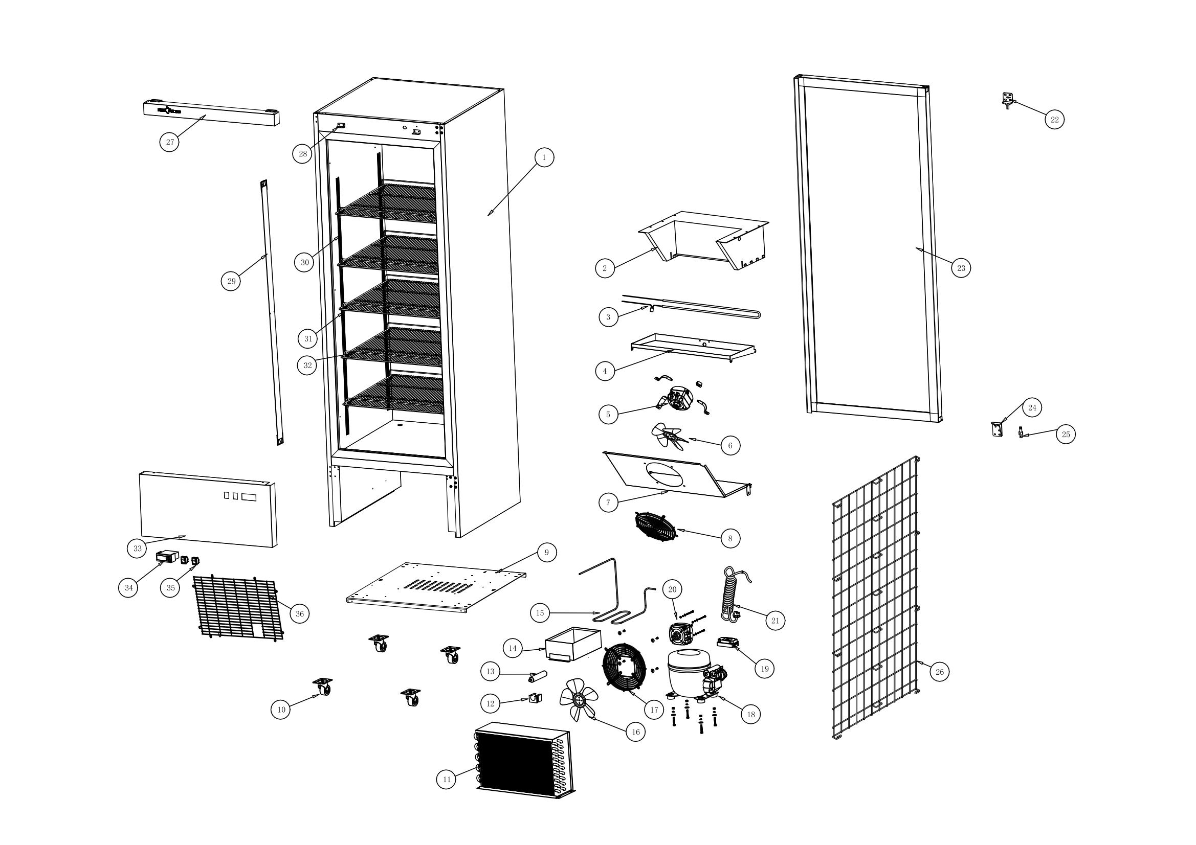 | NO. | Item code | Parts | QTY / SET
 | 36 | A200110633033300 | Rear cover | 1
 | 35 | A10305000035002810 | Power Switch | 2
 | 34 | A10300010006000000 | Digital Thermostat | 1
 | 33 | A200110660029404 | Top grille | 1
 | 32 | A10911000523051702 | Food Shelf | 5
 | 31 | A10117010029002401 | K clip | 20
 | 30 | A200041215002000 | K bar | 4
 | 29 | A10302031200002001 | LED | 1
 | 28 | A200120035001700 | Decorative Strip Mounting Plate | 2
 | 27 | A200110660005503 | Upper Decorative Strip | 1
 | 26 | A10911031283053302 | Air vent grille | 1
 | 25 | A10550000050001801 | Torsion spring | 1
 | 24 | A10119000045006505 | Right Lower Door Hinge | 1
 | 23 | A205001583065612 | Glass Door | 1
 | 22 | A10119000045004400 | Right Upper Door Hinge | 1
 | 21 | A10303002500005003 | Power Cord | 1
 | 20 | A10305080053022000 | Fan Motor | 1
 | 19 | A10305090020002416 | Power Switch | 1
 | 18 | A10408041672022003 | Compressor | 1
 | 17 | A10118000000023000 | Fan Guard | 1
 | 16 | A10117020230000000 | Condensor Fan | 1
 | 15 | A203020607250000 | Drip Tray Heater | 1
 | 14 | A200150202019000 | Drip Tray | 1
出
 | 13 | A10404030062003502 | Filter Dryer | 1
 | 12 | A204050030004000 | Filter Dryer Clamp | 1
 | 11 | A10400020614036000 | Condensor | 1
 | 10 | A10903000025009400 | Caster | 4
 | 9 | A200120605063800 | Compressor Mounting Plate | 1
 | 8 | A10200010208003500 | Fan Guard | 1
 | 7 | A200110532021700 | Air Duct Panel Assembly | 1
 | 6 | A10117020172000000 | Evaporator Fan | 1
 | 5 | A10305080029022001 | Fan Motor | 1
 | 4 | A200150535023200 | Inner Drip Tray Assembly | 1
 | 3 | A103050300430007402 | Defrost drain pipe | 1
 | 2 | A10401010606037003 | Evaporator | 1
 | 1 |  | Foamed Cabinet Body | 1

