Sheet1
序号 | NO. | Parts name | Set quantity
 | 39 | Filter Clamp | 2
 | 38 | Dry Filter | 2
 | 37 | Upper Decorative Strip | 1
 | 36 | Evaporator Fan Guard | 2
 | 35 | Aluminum Fan Blade | 2
 | 34 | Evaporator Fan | 2
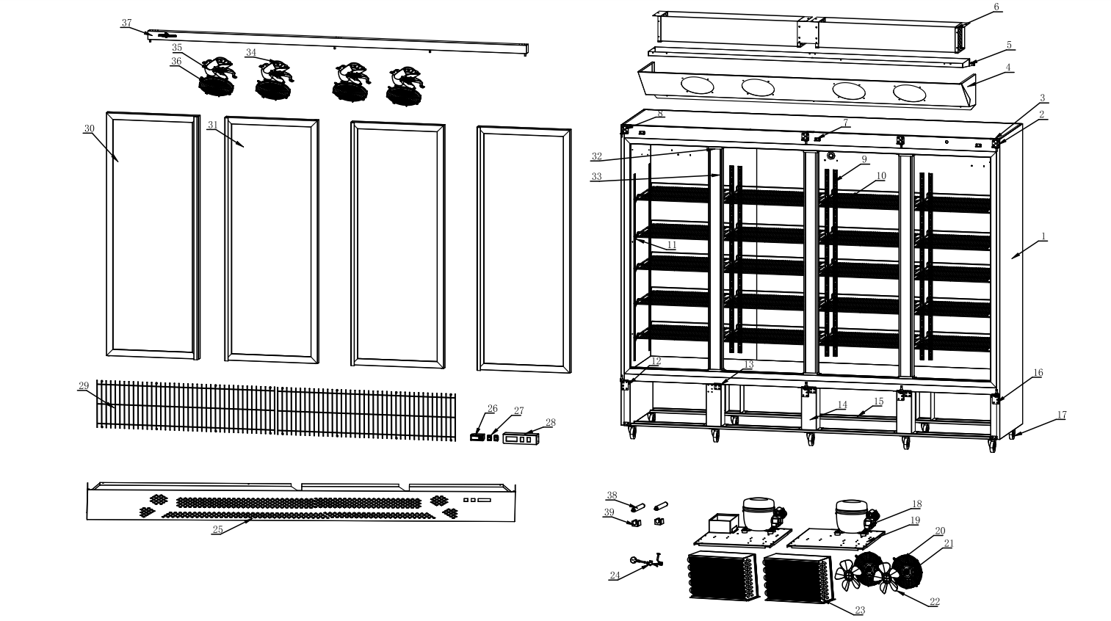
1 | 33 | Upright Post Assembly | 1
2 | 32 | Upright Post End Cover | 2
 | 31 | Right Glass Door | 1
3 | 30 | Left Glass Door | 1
4 | 29 | Mechanical Compartment Protective Grille | 1
5 | 28 | Water Baffle | 1
6 | 27 | Rocker Switch | 2
8 | 26 | Digital Thermostat | 1
9 | 25 | Lower Mechanical Compartment Panel | 1
10 | 24 | Power Cord | 1
11 | 23 | Condenser | 2
12 | 22 | Aluminum Fan Blade | 2
13 | 21 | Fan | 2
14 | 20 | Fan Guard | 2
15 | 19 | Compressor Mounting Plate | 2
16 | 18 | Compressor | 2
17 | 17 | Caster | 4
18 | 16 | Lower Right Door Hinge | 1
19 | 15 | Caster Mounting Plate | 2
20 | 14 | Support Bar | 1
21 | 13 | Door Holder | 1
22 | 12 | Lower Left Door Hinge | 1
23 | 11 | Aluminum K-Type Clip | 32
24 | 10 | Food Shelf | 8
25 | 9 | K-Type Strip | 8
26 | 8 | Upper Left Door Hinge | 1
27 | 7 | Decorative Panel Mounting Board | 3
28 | 6 | Evaporator | 2
29 | 5 | Internal Drip Tray Assembly | 1
30 | 4 | Air Duct Panel Assembly | 1
31 | 3 | Door Hinge | 3
32 | 2 | Upper Right Door Hinge | 1
33 | 1 | Foamed Cabinet | 1
34
35
37
39

